Plots
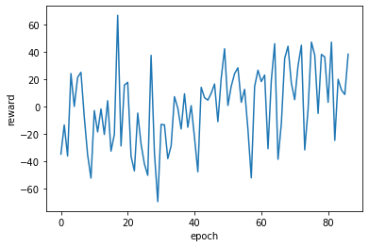
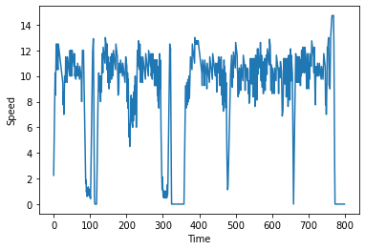
RL Training Plot for Velocity/Intersection Model | Example RL Plot (velocityp-based model) | Example Base Model Plot
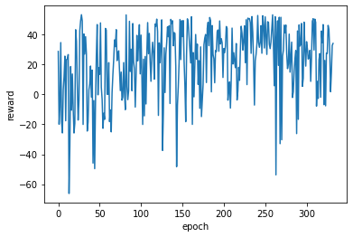
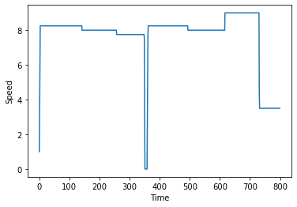
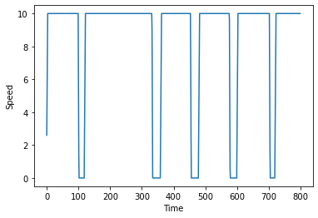

RL Training Plot for Acceleration/Time-Step Model | Example RL Plot (acceleration-based model)

Example Data
Consumption/Distance (ml/s per meter) | 84.535410724 | 87.401517476 | 80.716806822
Distance (meters) | 7045.174 | 6250.149 | 7081.999
Fuel Consumption (ml/s) | 595566.67772 | 546272.50705 | 571636.3452
 | Example Data RL-accel | Example Data Baseline | Example Data RL-velocity
 | 2.25 | 2.6 | 2.6
 | 4.25 | 5.2 | 5.2
 | 6.25 | 7.8 | 7.8
 | 8.25 | 10 | 8
 | 10.25 | 10 | 8
 | 8.5 | 10 | 8
 | 10.5 | 10 | 8
 | 12.5 | 10 | 8
 | 10.75 | 10 | 8
 | 10.5 | 10 | 8
 | 12.5 | 10 | 8
 | 10.75 | 10 | 8
 | 10.5 | 10 | 8
 | 12.5 | 10 | 8
 | 12.25 | 10 | 8
 | 12 | 10 | 8
 | 11.75 | 10 | 8
 | 11.5 | 10 | 8
 | 11.25 | 10 | 8
 | 11 | 10 | 8
 | 10.75 | 10 | 8
 | 10.5 | 10 | 8
 | 10.25 | 10 | 8
 | 10 | 10 | 8
 | 9.75 | 10 | 8
 | 9.5 | 10 | 8
 | 7.75 | 10 | 8
 | 8.75 | 10 | 8
 | 7 | 10 | 8
 | 8 | 10 | 8
 | 10 | 10 | 8
 | 9.75 | 10 | 8
 | 9.5 | 10 | 8
 | 11.5 | 10 | 8
 | 10.25 | 10 | 8
 | 10 | 10 | 8
 | 9.75 | 10 | 8
 | 9.5 | 10 | 8
 | 11.5 | 10 | 8
 | 11.25 | 10 | 8
 | 11 | 10 | 8
 | 10.75 | 10 | 8
 | 10.5 | 10 | 8
 | 10.25 | 10 | 8
 | 10 | 10 | 8
 | 12 | 10 | 8
 | 10.25 | 10 | 8
 | 10 | 10 | 8
 | 12 | 10 | 8
 | 10.25 | 10 | 8
...
 | Example Data RL-accel | Example Data RL-velocity | Example Data Baseline
 | 2.25 | 2.6 | 2.6
 | 4.25 | 5.2 | 5.2
 | 6.25 | 7.8 | 7.8
 | 8.25 | 8 | 10
 | 10.25 | 8 | 10
 | 8.5 | 8 | 10
 | 10.5 | 8 | 10
 | 12.5 | 8 | 10
 | 10.75 | 8 | 10
 | 10.5 | 8 | 10
 | 12.5 | 8 | 10
 | 10.75 | 8 | 10
 | 10.5 | 8 | 10
 | 12.5 | 8 | 10
 | 12.25 | 8 | 10
 | 12 | 8 | 10
 | 11.75 | 8 | 10
 | 11.5 | 8 | 10
 | 11.25 | 8 | 10
 | 11 | 8 | 10
 | 10.75 | 8 | 10
 | 10.5 | 8 | 10
 | 10.25 | 8 | 10
 | 10 | 8 | 10
 | 9.75 | 8 | 10
 | 9.5 | 8 | 10
 | 7.75 | 8 | 10
 | 8.75 | 8 | 10
 | 7 | 8 | 10
 | 8 | 8 | 10
 | 10 | 8 | 10
 | 9.75 | 8 | 10
 | 9.5 | 8 | 10
 | 11.5 | 8 | 10
 | 10.25 | 8 | 10
 | 10 | 8 | 10
 | 9.75 | 8 | 10
 | 9.5 | 8 | 10
 | 11.5 | 8 | 10
 | 11.25 | 8 | 10
 | 11 | 8 | 10
 | 10.75 | 8 | 10
 | 10.5 | 8 | 10
 | 10.25 | 8 | 10
 | 10 | 8 | 10
 | 12 | 8 | 10
 | 10.25 | 8 | 10
 | 10 | 8 | 10
 | 12 | 8 | 10
 | 10.25 | 8 | 10
 | 10 | 8 | 10
 | 12 | 8 | 10
 | 11.75 | 8 | 10
 | 11.5 | 8 | 10
 | 11.25 | 8 | 10
 | 11 | 8 | 10
 | 10.75 | 8 | 10
 | 11.75 | 8 | 10
 | 10 | 8 | 10
 | 10.25 | 8 | 10
 | 10 | 8 | 10
 | 9.75 | 8 | 10
 | 10.75 | 8 | 10
 | 10.5 | 8 | 10
 | 10.25 | 8 | 10
 | 10 | 8 | 10
 | 11 | 8 | 10
 | 10.75 | 8 | 10
 | 10.5 | 8 | 10
 | 10.25 | 8 | 10
 | 10 | 8 | 10
 | 9.75 | 8 | 10
 | 10.75 | 8 | 10
 | 10.5 | 8 | 10
 | 10.25 | 8 | 10
 | 10 | 8 | 10
 | 9.75 | 8 | 10
 | 8 | 8 | 10
 | 10 | 8 | 10
 | 12 | 8 | 10
 | 12 | 8 | 10
 | 12 | 8 | 10
 | 12 | 8 | 10
 | 10.25 | 8 | 10
 | 8.5 | 8 | 10
 | 6.75 | 8 | 10
 | 5 | 8 | 10
 | 3.25 | 8 | 10
 | 1.625 | 8 | 10
 | 1.875 | 8 | 10
 | 0.9375 | 8 | 10
 | 1.1875 | 8 | 10
 | 1.4375 | 8 | 10
 | 0.71875 | 8 | 10
 | 0.96875 | 8 | 10
 | 1.21875 | 8 | 10
 | 1.46875 | 8 | 10
 | 0.734375 | 8 | 10
 | 0.984375 | 8 | 10
 | 1.234375 | 8 | 9.2663333333
 | 0.6171875 | 8 | 4.7663333333
 | 1.8671875 | 8 | 0.26633333333
 | 3.8671875 | 8 | 0
 | 5.8671875 | 8 | 0
 | 7.8671875 | 8 | 0
 | 9.8671875 | 8 | 0
 | 12.1171875 | 8 | 0
 | 12.6171875 | 8 | 0
 | 13.1171875 | 8 | 0
 | 11.401229167 | 8 | 0
 | 6.9012291667 | 8 | 0
 | 2.4012291667 | 8 | 0
 | 0 | 8 | 0
 | 0 | 8 | 0
 | 0 | 8 | 0
 | 0 | 8 | 0
 | 0 | 8 | 0
 | 0 | 8 | 0
 | 0 | 8 | 0
 | 2.25 | 8 | 2.6
 | 4.25 | 8 | 5.2
 | 6.25 | 8 | 7.8
 | 8.25 | 8 | 10
 | 10.25 | 8 | 10
 | 9 | 8 | 10
 | 11 | 9.5 | 10
 | 9.75 | 9.5 | 10
 | 8.5 | 9.5 | 10
 | 10.5 | 9.5 | 10
 | 9.25 | 9.5 | 10
 | 11.25 | 9.5 | 10
 | 10 | 9.5 | 10
 | 12 | 9.5 | 10
 | 11.75 | 9.5 | 10
 | 11.5 | 9.5 | 10
 | 10.25 | 9.5 | 10
 | 12.25 | 9.5 | 10
 | 12 | 9.5 | 10
 | 11.75 | 9.5 | 10
 | 11.5 | 9.5 | 10
 | 11.25 | 9.5 | 10
 | 11 | 9.5 | 10
 | 10.75 | 9.5 | 10
 | 12.75 | 9.5 | 10
 | 12.5 | 9.5 | 10
 | 12.25 | 9.5 | 10
 | 10.5 | 9.5 | 10
 | 8.75 | 9.5 | 10
 | 10.75 | 9.5 | 10
 | 9.5 | 9.5 | 10
 | 11.5 | 9.5 | 10
 | 10.25 | 9.5 | 10
 | 10 | 9.5 | 10
 | 9.75 | 9.5 | 10
 | 8.75 | 9.5 | 10
 | 10.75 | 9.5 | 10
 | 10.5 | 9.5 | 10
 | 10.25 | 9.5 | 10
 | 10 | 9.5 | 10
 | 9.75 | 9.5 | 10
 | 11.75 | 9.5 | 10
 | 11.5 | 9.5 | 10
 | 11.25 | 9.5 | 10
 | 11 | 9.5 | 10
 | 10.75 | 9.5 | 10
 | 10.5 | 9.5 | 10
 | 10.25 | 9.5 | 10
 | 10 | 9.5 | 10
 | 9.75 | 9.5 | 10
 | 11.75 | 9.5 | 10
 | 11.5 | 9.5 | 10
 | 11.25 | 9.5 | 10
 | 11 | 9.5 | 10
 | 10.75 | 9.5 | 10
 | 10.5 | 9.5 | 10
 | 10.25 | 9.5 | 10
 | 11.25 | 9.5 | 10
 | 9.5 | 9.5 | 10
 | 10.5 | 9.5 | 10
 | 8.75 | 9.5 | 10
 | 10.75 | 9.5 | 10
 | 10.5 | 9.5 | 10
 | 10.25 | 9.5 | 10
 | 11.25 | 9.5 | 10
 | 11 | 9.5 | 10
 | 10.75 | 9.5 | 10
 | 10.5 | 9.5 | 10
 | 11.5 | 9.5 | 10
 | 10.25 | 9.5 | 10
 | 11.25 | 9.5 | 10
 | 11 | 9.5 | 10
 | 9.25 | 9.5 | 10
 | 11.25 | 9.5 | 10
 | 11 | 9.5 | 10
 | 8.25 | 9.5 | 10
 | 10.5 | 9.5 | 10
 | 7.75 | 9.5 | 10
 | 10 | 9.5 | 10
 | 7.25 | 9.5 | 10
 | 9.5 | 9.5 | 10
 | 11.5 | 9.5 | 10
 | 8.75 | 9.5 | 10
 | 11 | 9.5 | 10
 | 8.25 | 9.5 | 10
 | 10.5 | 9.5 | 10
 | 7.75 | 9.5 | 10
 | 5 | 9.5 | 10
 | 3.25 | 9.5 | 10
 | 1.625 | 9.5 | 10
 | 1.875 | 9.5 | 10
 | 0.9375 | 9.5 | 10
 | 0.46875 | 9.5 | 10
 | 0.46875 | 9.5 | 10
 | 0.46875 | 9.5 | 10
 | 0.96875 | 9.5 | 10
 | 0.484375 | 9.5 | 10
 | 0.984375 | 9.5 | 10
 | 0.4921875 | 9.5 | 10
 | 0.9921875 | 9.5 | 10
 | 0.49609375 | 9.5 | 10
 | 0.99609375 | 9.5 | 10
 | 0.498046875 | 9.5 | 10
 | 0.998046875 | 9.5 | 10
 | 0.4990234375 | 9.5 | 10
 | 1.4990234375 | 9.5 | 10
 | 0.74951171875 | 9.5 | 10
 | 2.9995117188 | 9.5 | 10
 | 5.2495117188 | 9.5 | 10
 | 7.4995117188 | 7.75 | 10
 | 9.4995117188 | 7.75 | 10
 | 11.499511719 | 7.75 | 10
 | 10.999511719 | 7.75 | 10
 | 12.999511719 | 7.75 | 10
 | 11.999511719 | 7.75 | 10
 | 11.749511719 | 7.75 | 10
 | 11.499511719 | 7.75 | 10
 | 11.249511719 | 7.75 | 10
 | 10.999511719 | 7.75 | 10
 | 10.749511719 | 7.75 | 10
 | 8.9995117188 | 7.75 | 10
 | 10.999511719 | 7.75 | 10
 | 9.7495117188 | 7.75 | 10
 | 11.749511719 | 7.75 | 10
 | 11.499511719 | 7.75 | 10
 | 10.249511719 | 7.75 | 10
 | 8.9995117188 | 7.75 | 10
 | 10.999511719 | 7.75 | 10
 | 9.7495117188 | 7.75 | 10
 | 11.749511719 | 7.75 | 10
 | 11.499511719 | 7.75 | 10
 | 10.249511719 | 7.75 | 10
 | 8.9995117188 | 7.75 | 10
 | 10.999511719 | 7.75 | 10
 | 9.7495117188 | 7.75 | 10
 | 11.749511719 | 7.75 | 10
 | 11.499511719 | 7.75 | 10
 | 11.249511719 | 7.75 | 10
 | 10.999511719 | 7.75 | 10
 | 10.749511719 | 7.75 | 10
 | 12.749511719 | 7.75 | 10
 | 12.499511719 | 7.75 | 10
 | 12.249511719 | 7.75 | 10
 | 11.999511719 | 7.75 | 10
 | 11.749511719 | 7.75 | 10
 | 11.499511719 | 7.75 | 10
 | 10.249511719 | 7.75 | 10
 | 8.4995117188 | 7.75 | 10
 | 10.499511719 | 7.75 | 10
 | 8.7495117188 | 7.75 | 10
 | 7.7495117188 | 7.75 | 10
 | 9.7495117188 | 7.75 | 10
 | 10.749511719 | 7.75 | 10
 | 10.499511719 | 7.75 | 10
 | 10.249511719 | 7.75 | 10
 | 9.9995117188 | 7.75 | 10
 | 10.999511719 | 7.75 | 10
 | 10.749511719 | 7.75 | 10
 | 10.499511719 | 7.75 | 10
 | 10.249511719 | 7.75 | 10
 | 9.9995117188 | 7.75 | 10
 | 10.999511719 | 7.75 | 10
 | 10.749511719 | 7.75 | 10
 | 10.499511719 | 7.75 | 10
 | 10.249511719 | 7.75 | 10
 | 9.9995117188 | 7.75 | 10
 | 9.7495117188 | 7.75 | 10
 | 10.749511719 | 7.75 | 10
 | 10.499511719 | 7.75 | 10
 | 10.249511719 | 7.75 | 10
 | 9.9995117188 | 7.75 | 10
 | 9.7495117188 | 7.75 | 10
 | 10.749511719 | 7.75 | 10
 | 11.749511719 | 7.75 | 10
 | 11.499511719 | 7.75 | 10
 | 11.249511719 | 7.75 | 10
 | 10.999511719 | 7.75 | 10
 | 10.749511719 | 7.75 | 10
 | 7.7495117188 | 7.75 | 10
 | 7.9995117188 | 7.75 | 10
 | 8.2495117188 | 7.75 | 10
 | 9.2495117188 | 7.75 | 10
 | 10.249511719 | 7.75 | 10
 | 11.249511719 | 7.75 | 10
 | 10.999511719 | 7.75 | 10
 | 10.749511719 | 7.75 | 10
 | 10.499511719 | 7.75 | 10
 | 10.249511719 | 7.75 | 10
 | 11.249511719 | 7.75 | 10
 | 9.9995117188 | 7.75 | 10
 | 9.7495117188 | 7.75 | 10
 | 9.4995117188 | 7.75 | 10
 | 9.2495117188 | 7.75 | 10
 | 11.249511719 | 7.75 | 10
 | 9.4995117188 | 7.75 | 10
 | 11.499511719 | 7.75 | 9.0333333333
 | 11.499511719 | 7.75 | 4.5333333333
 | 11.499511719 | 7.75 | 0.033333333333
 | 11.499511719 | 7.75 | 0
 | 11.499511719 | 7.75 | 0
 | 11.499511719 | 7.75 | 0
 | 8.9995117188 | 7.75 | 0
 | 10.999511719 | 7.75 | 0
 | 12.999511719 | 7.75 | 0
 | 11.581966146 | 7.75 | 0
 | 7.0819661458 | 7.75 | 0
 | 2.5819661458 | 7.75 | 0
 | 0 | 7.75 | 0
 | 0 | 7.75 | 0
 | 0 | 7.75 | 0
 | 0 | 7.75 | 0
 | 0 | 7.75 | 0
 | 0 | 7.75 | 0
 | 0 | 7.75 | 0
 | 0 | 7.75 | 0
 | 0 | 7.75 | 0
 | 0 | 7.75 | 0
 | 0 | 7.75 | 0
 | 0 | 7.75 | 0
 | 0 | 7.75 | 0
 | 0 | 7.75 | 0
 | 0 | 7.75 | 0
 | 0 | 7.75 | 0
 | 0 | 7.75 | 0
 | 0 | 7.75 | 0
 | 0 | 7.75 | 0
 | 0 | 7.75 | 0
 | 0 | 7.75 | 0
 | 0 | 7.75 | 0
 | 0 | 7.75 | 0
 | 0 | 7.75 | 0
 | 0 | 7.75 | 0
 | 0 | 7.75 | 0
 | 0 | 6.2495 | 0
 | 0 | 1.7495 | 0
 | 0 | 0 | 0
 | 0 | 0 | 0
 | 0 | 0 | 0
 | 0 | 0 | 0
 | 0 | 0 | 0
 | 2.25 | 2.6 | 2.6
 | 4.25 | 5.2 | 5.2
 | 6.25 | 7.8 | 7.8
 | 8.25 | 8 | 10
 | 9.25 | 8 | 10
 | 10.25 | 8 | 10
 | 8.5 | 8 | 10
 | 9.5 | 8 | 10
 | 10.5 | 8 | 10
 | 8.75 | 8 | 10
 | 9.75 | 8 | 10
 | 11.75 | 8 | 10
 | 11.5 | 8 | 10
 | 11.25 | 8 | 10
 | 11 | 8 | 10
 | 10.75 | 8 | 10
 | 12.75 | 8 | 10
 | 12.5 | 8 | 10
 | 12.25 | 8 | 10
 | 12 | 8 | 10
 | 11.75 | 8 | 10
 | 11.5 | 8 | 10
 | 11.25 | 8 | 10
 | 11 | 8 | 10
 | 10.75 | 8 | 10
 | 10.5 | 8 | 10
 | 10.25 | 8 | 10
 | 10 | 8 | 10
 | 9.75 | 8 | 10
 | 9.5 | 8 | 10
 | 11.5 | 8 | 10
 | 11.25 | 8 | 10
 | 11 | 8 | 10
 | 10 | 8 | 10
 | 11.25 | 8 | 10
 | 11 | 8 | 10
 | 10.75 | 8 | 10
 | 9.75 | 8 | 10
 | 11.75 | 8 | 10
 | 11.5 | 8 | 10
 | 11.25 | 8 | 10
 | 11 | 8 | 10
 | 10.75 | 8 | 10
 | 9.75 | 8 | 10
 | 11.75 | 8 | 10
 | 11.5 | 8 | 10
 | 11.25 | 8 | 10
 | 11 | 8 | 10
 | 10.75 | 8 | 10
 | 10.5 | 8 | 10
 | 9.5 | 8 | 10
 | 11.5 | 8 | 10
 | 11.25 | 8 | 10
 | 11 | 8 | 10
 | 10.75 | 8 | 10
 | 10.5 | 8 | 10
 | 10.25 | 8 | 10
 | 9.25 | 8 | 10
 | 11.25 | 8 | 10
 | 11 | 8 | 10
 | 10.75 | 8 | 10
 | 10.5 | 8 | 10
 | 10.25 | 8 | 10
 | 10 | 8 | 10
 | 9.75 | 8 | 10
 | 8.75 | 8 | 10
 | 10.75 | 8 | 10
 | 10.5 | 8 | 10
 | 10.25 | 8 | 10
 | 10 | 8 | 10
 | 9.75 | 8 | 10
 | 9.5 | 8 | 10
 | 11.5 | 8 | 10
 | 9.75 | 8 | 10
 | 9.5 | 8 | 10
 | 9.25 | 8 | 10
 | 11.25 | 8 | 10
 | 10 | 8 | 10
 | 8.25 | 8 | 10
 | 10.25 | 8 | 10
 | 10 | 8 | 10
 | 9.75 | 8 | 10
 | 10.75 | 8 | 10
 | 10.5 | 8 | 10
 | 10.25 | 8 | 10
 | 8.5 | 8 | 10
 | 6.75 | 8 | 10
 | 7.75 | 8 | 10
 | 6 | 8 | 10
 | 6.25 | 8 | 10
 | 6.5 | 8 | 10
 | 7.5 | 8 | 10
 | 8.5 | 8 | 10
 | 9.5 | 8 | 10
 | 10.5 | 8 | 10
 | 11.5 | 8 | 10
 | 10.25 | 8 | 10
 | 11.25 | 8 | 10
 | 8.25 | 8 | 10
 | 9.25 | 8 | 10
 | 11.25 | 8 | 10
 | 8.25 | 8 | 10
 | 8 | 8 | 10
 | 7.75 | 8 | 10
 | 7.5 | 8 | 10
 | 9.5 | 8 | 10
 | 6.75 | 8 | 10
 | 8.75 | 8 | 10
 | 10.75 | 8 | 10
 | 12.75 | 8 | 10
 | 10.75 | 8 | 10
 | 12.75 | 8 | 10
 | 12.75 | 8 | 10
 | 10.366666667 | 8 | 10
 | 5.8666666667 | 8 | 10
 | 1.3666666667 | 8 | 9.3333333333
 | 0 | 8 | 4.8333333333
 | 0 | 8 | 0.33333333333
 | 0 | 8 | 0
 | 0 | 8 | 0
 | 2.25 | 8 | 2.6
 | 4.25 | 8 | 5.2
 | 6.25 | 8 | 7.8
 | 8.25 | 8 | 10
 | 10.25 | 8 | 10
 | 9 | 8 | 10
 | 11 | 8 | 10
 | 9.75 | 8 | 10
 | 8.5 | 8 | 10
 | 10.5 | 8 | 10
 | 9.25 | 8 | 10
 | 11.25 | 8 | 10
 | 10 | 8 | 10
 | 8.75 | 8 | 10
 | 10.75 | 8 | 10
 | 9.5 | 8 | 10
 | 11.5 | 8 | 10
 | 10.25 | 8 | 10
 | 12.25 | 8 | 10
 | 12 | 8 | 10
 | 11.75 | 8 | 10
 | 11.5 | 8 | 10
 | 11.25 | 8 | 10
 | 11 | 8 | 10
 | 10.75 | 8 | 10
 | 12.75 | 7.75 | 10
 | 12.5 | 7.75 | 10
 | 12.25 | 7.75 | 10
 | 10.5 | 7.75 | 10
 | 8.75 | 7.75 | 10
 | 10.75 | 7.75 | 10
 | 9.5 | 7.75 | 10
 | 11.5 | 7.75 | 10
 | 10.25 | 7.75 | 10
 | 10 | 7.75 | 10
 | 9.75 | 7.75 | 10
 | 9.5 | 7.75 | 10
 | 11.5 | 7.75 | 10
 | 10.25 | 7.75 | 10
 | 10 | 7.75 | 10
 | 9.75 | 7.75 | 10
 | 9.5 | 7.75 | 10
 | 11.5 | 7.75 | 10
 | 11.25 | 7.75 | 10
 | 11 | 7.75 | 10
 | 10.75 | 7.75 | 10
 | 10.5 | 7.75 | 10
 | 10.25 | 7.75 | 10
 | 10 | 7.75 | 10
 | 12 | 7.75 | 10
 | 10.25 | 7.75 | 10
 | 10 | 7.75 | 10
 | 12 | 7.75 | 10
 | 11.75 | 7.75 | 10
 | 11.5 | 7.75 | 10
 | 11.25 | 7.75 | 10
 | 11 | 7.75 | 10
 | 10.75 | 7.75 | 10
 | 10.5 | 7.75 | 10
 | 11.5 | 7.75 | 10
 | 9.75 | 7.75 | 10
 | 10.75 | 7.75 | 10
 | 10.5 | 7.75 | 10
 | 10.25 | 7.75 | 10
 | 10 | 7.75 | 10
 | 11 | 7.75 | 10
 | 10.75 | 7.75 | 10
 | 10.5 | 7.75 | 10
 | 10.25 | 7.75 | 10
 | 11.25 | 7.75 | 10
 | 11 | 7.75 | 10
 | 9.25 | 7.75 | 10
 | 11.25 | 7.75 | 10
 | 11 | 7.75 | 10
 | 9.25 | 7.75 | 10
 | 9 | 7.75 | 10
 | 7.25 | 7.75 | 10
 | 9.5 | 7.75 | 10
 | 11.5 | 7.75 | 10
 | 10.25 | 7.75 | 10
 | 7.5 | 7.75 | 10
 | 9.75 | 7.75 | 10
 | 11.75 | 7.75 | 10
 | 9 | 7.75 | 10
 | 11.25 | 7.75 | 10
 | 8.5 | 7.75 | 10
 | 10.75 | 7.75 | 10
 | 8 | 7.75 | 10
 | 6.25 | 7.75 | 10
 | 4.5 | 7.75 | 10
 | 2.75 | 7.75 | 10
 | 3 | 7.75 | 10
 | 2.75 | 7.75 | 10
 | 1.5 | 7.75 | 10
 | 0.75 | 7.75 | 10
 | 0.375 | 7.75 | 10
 | 0.875 | 7.75 | 10
 | 0.4375 | 7.75 | 10
 | 0.9375 | 7.75 | 10
 | 0.46875 | 7.75 | 10
 | 0.96875 | 7.75 | 10
 | 1.96875 | 7.75 | 10
 | 0.984375 | 7.75 | 7.5
 | 1.984375 | 7.75 | 3
 | 3.984375 | 7.75 | 0
 | 5.984375 | 7.75 | 0
 | 8.234375 | 7.75 | 0
 | 10.234375 | 7.75 | 0
 | 12.234375 | 7.75 | 0
 | 11.234375 | 7.75 | 0
 | 10.234375 | 7.75 | 0
 | 12.234375 | 7.75 | 0
 | 8.2375 | 7.75 | 0
 | 3.7375 | 7.75 | 0
 | 0 | 7.75 | 0
 | 0 | 7.75 | 0
 | 0 | 7.75 | 0
 | 0 | 7.75 | 0
 | 0 | 7.75 | 0
 | 0 | 7.75 | 0
 | 0 | 7.75 | 0
 | 2.25 | 7.75 | 2.6
 | 4.25 | 7.75 | 5.2
 | 6.25 | 7.75 | 7.8
 | 8.25 | 7.75 | 10
 | 10.25 | 7.75 | 10
 | 10 | 7.75 | 10
 | 9.75 | 7.75 | 10
 | 9.5 | 7.75 | 10
 | 11.5 | 7.75 | 10
 | 11.25 | 7.75 | 10
 | 11 | 7.75 | 10
 | 10.75 | 7.75 | 10
 | 10.5 | 7.75 | 10
 | 10.25 | 7.75 | 10
 | 10 | 7.75 | 10
 | 12 | 7.75 | 10
 | 11.75 | 7.75 | 10
 | 11.5 | 7.75 | 10
 | 11.25 | 7.75 | 10
 | 11 | 7.75 | 10
 | 10.75 | 7.75 | 10
 | 10.5 | 7.75 | 10
 | 10.25 | 7.75 | 10
 | 12.25 | 7.75 | 10
 | 12 | 7.75 | 10
 | 11.75 | 7.75 | 10
 | 11.5 | 7.75 | 10
 | 9.75 | 7.75 | 10
 | 8 | 7.75 | 10
 | 9 | 7.75 | 10
 | 10 | 7.75 | 10
 | 11 | 7.75 | 10
 | 10.75 | 7.75 | 10
 | 10.5 | 7.75 | 10
 | 10.25 | 5.8 | 10
 | 10 | 1.3 | 10
 | 11 | 0 | 10
 | 10.75 | 0 | 10
 | 10.5 | 0 | 10
 | 10.25 | 0 | 10
 | 10 | 0 | 10
 | 9.75 | 0 | 10
 | 9.5 | 0 | 10
 | 9.25 | 0 | 10
 | 10.25 | 0 | 10
 | 10 | 0 | 10
 | 9.75 | 0 | 10
 | 9.5 | 0 | 10
 | 7.75 | 0 | 10
 | 10 | 0 | 10
 | 12 | 0 | 10
 | 11.75 | 0 | 10
 | 10.5 | 0 | 10
 | 7.75 | 0 | 10
 | 10 | 0 | 10
 | 7.25 | 0 | 10
 | 9.5 | 0 | 10
 | 6.75 | 0 | 10
 | 5 | 0 | 10
 | 6 | 0 | 10
 | 4.25 | 2.6 | 10
 | 4 | 5.2 | 10
 | 3.75 | 7.8 | 10
 | 3.5 | 8.5 | 10
 | 3.25 | 8.5 | 10
 | 3 | 8.5 | 10
 | 2.75 | 8.5 | 10
 | 2.5 | 8.5 | 10
 | 2.25 | 8.5 | 10
 | 1.125 | 8.5 | 10
 | 2.125 | 8.5 | 10
 | 4.125 | 8.5 | 10
 | 6.125 | 8.5 | 10
 | 8.125 | 8.5 | 10
 | 10.125 | 8.5 | 10
 | 12.125 | 8.5 | 10
 | 11.875 | 8.5 | 10
 | 10.875 | 8.5 | 10
 | 9.875 | 8.5 | 10
 | 11.875 | 8.5 | 10
 | 12.375 | 8.5 | 10
 | 11.375 | 8.5 | 10
 | 10.125 | 8.5 | 10
 | 8.375 | 8.5 | 10
 | 9.375 | 8.5 | 10
 | 7.625 | 8.5 | 10
 | 8.625 | 8.5 | 10
 | 9.625 | 8.5 | 10
 | 7.875 | 8.5 | 10
 | 8.875 | 8.5 | 10
 | 9.875 | 8.5 | 10
 | 8.125 | 8.5 | 10
 | 9.125 | 8.5 | 10
 | 10.125 | 8.5 | 10
 | 8.375 | 8.5 | 10
 | 9.375 | 8.5 | 10
 | 7.625 | 8.5 | 10
 | 8.625 | 8.5 | 10
 | 9.625 | 8.5 | 10
 | 7.875 | 8.5 | 10
 | 8.875 | 8.5 | 10
 | 9.875 | 8.5 | 10
 | 8.125 | 8.5 | 10
 | 9.125 | 8.5 | 10
 | 10.125 | 8.5 | 10
 | 8.375 | 8.5 | 10
 | 10.375 | 8.5 | 10
 | 12.375 | 8.5 | 10
 | 12.125 | 8.5 | 10
 | 11.875 | 8.5 | 10
 | 11.625 | 8.5 | 10
 | 11.375 | 8.5 | 10
 | 11.125 | 8.5 | 10
 | 10.875 | 8.5 | 10
 | 12.875 | 8.5 | 10
 | 12.625 | 8.5 | 10
 | 12.375 | 8.5 | 10
 | 10.625 | 8.5 | 10
 | 12.625 | 8.5 | 10
 | 10.875 | 8.5 | 10
 | 9.125 | 8.5 | 10
 | 11.125 | 8.5 | 10
 | 9.875 | 8.5 | 10
 | 10.875 | 8.5 | 10
 | 10.625 | 8.5 | 10
 | 10.375 | 8.5 | 10
 | 10.125 | 8.5 | 10
 | 9.875 | 8.5 | 10
 | 10.875 | 8.5 | 10
 | 10.625 | 8.5 | 10
 | 10.375 | 8.5 | 10
 | 10.125 | 8.5 | 10
 | 12.125 | 8.5 | 10
 | 11.875 | 8.5 | 10
 | 11.625 | 8.5 | 10
 | 11.375 | 8.5 | 10
 | 11.125 | 8.5 | 10
 | 10.875 | 8.5 | 10
 | 10.625 | 8.5 | 10
 | 10.375 | 8.5 | 10
 | 10.125 | 8.5 | 10
 | 9.875 | 8.5 | 10
 | 9.625 | 8.5 | 10
 | 9.375 | 8.5 | 10
 | 7.625 | 8.5 | 10
 | 8.625 | 8.5 | 10
 | 9.625 | 8.5 | 10
 | 7.875 | 7.75 | 10
 | 8.875 | 7.75 | 10
 | 7.125 | 7.75 | 10
 | 8.125 | 7.75 | 10
 | 9.125 | 7.75 | 10
 | 10.125 | 7.75 | 10
 | 11.375 | 7.75 | 10
 | 11.125 | 7.75 | 10
 | 10.875 | 7.75 | 10
 | 10.625 | 7.75 | 10
 | 10.375 | 7.75 | 10
 | 10.125 | 7.75 | 10
 | 11.375 | 7.75 | 10
 | 11.125 | 7.75 | 10
 | 10.875 | 7.75 | 10
 | 10.625 | 7.75 | 10
 | 10.375 | 7.75 | 10
 | 10.125 | 7.75 | 10
 | 9.875 | 7.75 | 10
 | 11.125 | 7.75 | 10
 | 10.875 | 7.75 | 10
 | 10.625 | 7.75 | 10
 | 10.375 | 7.75 | 10
 | 10.125 | 7.75 | 10
 | 9.875 | 7.75 | 10
 | 11.125 | 7.75 | 10
 | 10.875 | 7.75 | 10
 | 10.625 | 7.75 | 10
 | 10.375 | 7.75 | 10
 | 11.375 | 7.75 | 10
 | 11.125 | 7.75 | 10
 | 10.875 | 7.75 | 10
 | 10.625 | 7.75 | 10
 | 10.375 | 7.75 | 10
 | 11.375 | 7.75 | 10
 | 11.125 | 7.75 | 10
 | 10.875 | 7.75 | 10
 | 10.625 | 7.75 | 10
 | 9.375 | 7.75 | 10
 | 10.375 | 7.75 | 10
 | 9.125 | 7.75 | 10
 | 10.125 | 7.75 | 10
 | 8.875 | 7.75 | 10
 | 10.875 | 7.75 | 10
 | 9.625 | 7.75 | 10
 | 11.625 | 7.75 | 10
 | 11.625 | 7.75 | 10
 | 11.625 | 7.75 | 10
 | 11.625 | 7.75 | 10
 | 11.625 | 7.75 | 10
 | 11.625 | 7.75 | 10
 | 10.625 | 7.75 | 5.55
 | 8.125 | 7.75 | 1.05

Example Data PHEMlight
Consumption/Distance (ml/s per meter) | 93.920859262 | 82.311649592 | 58.023863725
Distance (meters) | 7169.499 | 7030.999 | 6742.199
Fuel Consumption (ml/s) | 673365.50656 | 578733.12597 | 391208.43598
 | Example Data RL-accel | Example Data Baseline | Example Data RL-velocity
 | 2.25 | 2.6 | 2.6
 | 4.25 | 5.2 | 5.2
 | 6.25 | 7.8 | 7.8
 | 8.25 | 10.4 | 10.4
 | 10.25 | 13 | 13
 | 10 | 15.6 | 15.6
 | 9.75 | 18.2 | 18.2
 | 10.75 | 20 | 20.8
 | 10.5 | 20 | 23.4
 | 10.25 | 20 | 26
 | 10 | 20 | 28.6
 | 12 | 20 | 29
 | 11.75 | 20 | 29
 | 11.5 | 20 | 29
 | 11.25 | 20 | 29
 | 11 | 20 | 29
 | 10.75 | 20 | 29
 | 10.5 | 20 | 29
 | 10.25 | 20 | 29
 | 10 | 20 | 29
 | 9.75 | 20 | 29
 | 9.5 | 20 | 29
 | 9.25 | 20 | 29
 | 7.5 | 20 | 29
 | 8.5 | 20 | 29
 | 9.5 | 20 | 29
 | 7.75 | 20 | 29
 | 8.75 | 20 | 29
 | 7 | 20 | 29
 | 7.25 | 20 | 29
 | 9.25 | 20 | 28.114142857
 | 11.25 | 20 | 23.614142857
 | 11 | 20 | 19.114142857
 | 10.75 | 20 | 14.614142857
 | 10.5 | 20 | 10.114142857
 | 10.25 | 20 | 5.6141428571
 | 10 | 20 | 1.1141428571
 | 9.75 | 20 | 0
 | 9.5 | 20 | 0
 | 11.5 | 20 | 0
 | 11.25 | 20 | 0
 | 11 | 20 | 0
 | 10.75 | 19.4198 | 0
 | 10.5 | 14.9198 | 0
 | 10.25 | 10.4198 | 0
 | 8.5 | 5.9198 | 0
 | 10.5 | 1.4198 | 0
 | 8.75 | 0 | 0
 | 10.75 | 0 | 0
 | 10.5 | 0 | 0
...
 | Example Data RL-accel | Example Data RL-velocity | Example Data Baseline
 | 2.25 | 2.6 | 2.6
 | 4.25 | 5.2 | 5.2
 | 6.25 | 7.8 | 7.8
 | 8.25 | 10.4 | 10.4
 | 10.25 | 13 | 13
 | 10 | 15.6 | 15.6
 | 9.75 | 18.2 | 18.2
 | 10.75 | 20.8 | 20
 | 10.5 | 23.4 | 20
 | 10.25 | 26 | 20
 | 10 | 28.6 | 20
 | 12 | 29 | 20
 | 11.75 | 29 | 20
 | 11.5 | 29 | 20
 | 11.25 | 29 | 20
 | 11 | 29 | 20
 | 10.75 | 29 | 20
 | 10.5 | 29 | 20
 | 10.25 | 29 | 20
 | 10 | 29 | 20
 | 9.75 | 29 | 20
 | 9.5 | 29 | 20
 | 9.25 | 29 | 20
 | 7.5 | 29 | 20
 | 8.5 | 29 | 20
 | 9.5 | 29 | 20
 | 7.75 | 29 | 20
 | 8.75 | 29 | 20
 | 7 | 29 | 20
 | 7.25 | 29 | 20
 | 9.25 | 28.114142857 | 20
 | 11.25 | 23.614142857 | 20
 | 11 | 19.114142857 | 20
 | 10.75 | 14.614142857 | 20
 | 10.5 | 10.114142857 | 20
 | 10.25 | 5.6141428571 | 20
 | 10 | 1.1141428571 | 20
 | 9.75 | 0 | 20
 | 9.5 | 0 | 20
 | 11.5 | 0 | 20
 | 11.25 | 0 | 20
 | 11 | 0 | 20
 | 10.75 | 0 | 19.4198
 | 10.5 | 0 | 14.9198
 | 10.25 | 0 | 10.4198
 | 8.5 | 0 | 5.9198
 | 10.5 | 0 | 1.4198
 | 8.75 | 0 | 0
 | 10.75 | 0 | 0
 | 10.5 | 0 | 0
 | 10.25 | 0 | 0
 | 10 | 0 | 0
 | 11 | 0 | 0
 | 10.75 | 0 | 0
 | 10.5 | 0 | 0
 | 8.75 | 0 | 0
 | 7 | 0 | 0
 | 7.25 | 0 | 0
 | 7.5 | 0 | 0
 | 7.75 | 2.6 | 2.6
 | 8.75 | 5.2 | 5.2
 | 9.75 | 7.8 | 7.8
 | 10.75 | 10.4 | 10.4
 | 10.5 | 13 | 13
 | 10.25 | 15.6 | 15.6
 | 11.25 | 18.2 | 18.2
 | 10 | 20.8 | 20
 | 9.75 | 23.4 | 20
 | 9.5 | 26 | 20
 | 9.25 | 28.6 | 20
 | 11.25 | 31 | 20
 | 10 | 31 | 20
 | 12 | 31 | 20
 | 11.75 | 31 | 20
 | 11.75 | 31 | 20
 | 11.75 | 31 | 20
 | 11.75 | 31 | 20
 | 11.75 | 31 | 20
 | 11.75 | 31 | 20
 | 10.75 | 31 | 20
 | 12.75 | 31 | 20
 | 11.75 | 31 | 20
 | 10.75 | 31 | 20
 | 10 | 31 | 20
 | 12 | 31 | 20
 | 11.75 | 31 | 20
 | 11.5 | 31 | 20
 | 11.25 | 31 | 20
 | 11 | 31 | 20
 | 12.5 | 31 | 20
 | 10.75 | 31 | 20
 | 9 | 31 | 20
 | 10 | 31 | 20
 | 8.25 | 31 | 20
 | 10.25 | 31 | 20
 | 8.5 | 31 | 20
 | 9.5 | 31 | 20
 | 10.5 | 31 | 20
 | 8.75 | 31 | 20
 | 10.75 | 31 | 20
 | 9 | 31 | 20
 | 11 | 31 | 20
 | 10.75 | 31 | 20
 | 12.75 | 33.6 | 20
 | 12.5 | 36.2 | 20
 | 12.25 | 38.8 | 20
 | 12 | 39 | 20
 | 11.75 | 39 | 20
 | 11.5 | 39 | 20
 | 11.25 | 39 | 20
 | 11 | 39 | 20
 | 10.75 | 39 | 20
 | 10.5 | 39 | 20
 | 10.25 | 39 | 20
 | 10 | 39 | 20
 | 9.75 | 39 | 20
 | 9.5 | 39 | 20
 | 9.25 | 39 | 20
 | 7.5 | 39 | 20
 | 8.5 | 39 | 20
 | 10.5 | 39 | 20
 | 9.25 | 39 | 20
 | 11.25 | 39 | 20
 | 10 | 39 | 20
 | 9.75 | 39 | 20
 | 9.5 | 39 | 20
 | 11.5 | 36.555555556 | 20
 | 10.25 | 32.055555556 | 20
 | 10 | 27.555555556 | 20
 | 9.75 | 23.055555556 | 20
 | 11.75 | 18.555555556 | 20
 | 11.5 | 14.055555556 | 20
 | 10.25 | 9.5555555556 | 20
 | 10 | 5.0555555556 | 20
 | 12 | 0.55555555556 | 20
 | 11.75 | 0 | 20
 | 11.5 | 0 | 20
 | 11.25 | 0 | 20
 | 11 | 0 | 20
 | 10.75 | 0 | 20
 | 10.5 | 0 | 20
 | 12.5 | 0 | 20
 | 12.25 | 0 | 20
 | 12 | 0 | 20
 | 11.75 | 0 | 20
 | 11.5 | 0 | 20
 | 10.25 | 0 | 20
 | 8.5 | 0 | 20
 | 8.75 | 0 | 20
 | 9 | 0 | 20
 | 11 | 0 | 20
 | 10.75 | 0 | 20
 | 10.5 | 0 | 20
 | 10.25 | 0 | 20
 | 10 | 0 | 20
 | 9.75 | 0 | 20
 | 9.5 | 0 | 20
 | 9.25 | 0 | 20
 | 11.25 | 0 | 20
 | 11 | 0 | 20
 | 10.75 | 0 | 20
 | 10.5 | 0 | 20
 | 10.25 | 0 | 20
 | 10 | 0 | 20
 | 9.75 | 0 | 20
 | 9.5 | 0 | 20
 | 10.5 | 0 | 20
 | 10.25 | 0 | 20
 | 10 | 0 | 20
 | 9.75 | 0 | 20
 | 8 | 0 | 20
 | 10 | 0 | 20
 | 12 | 0 | 20
 | 10.25 | 0 | 16.1
 | 8.5 | 0 | 11.6
 | 6.75 | 0 | 7.1
 | 5 | 0 | 2.6
 | 5.25 | 0 | 0
 | 5.5 | 0 | 0
 | 5.75 | 2.6 | 2.6
 | 6.75 | 5.2 | 5.2
 | 7.75 | 7.8 | 7.8
 | 8.75 | 10.4 | 10.4
 | 9.75 | 13 | 13
 | 10.75 | 15.6 | 15.6
 | 9 | 18.2 | 18.2
 | 8.75 | 20.8 | 20
 | 8.5 | 23.4 | 20
 | 8.25 | 26 | 20
 | 8 | 28.6 | 20
 | 7.75 | 29 | 20
 | 7.5 | 29 | 20
 | 7.25 | 29 | 20
 | 7 | 29 | 20
 | 6.75 | 29 | 20
 | 8.75 | 29 | 20
 | 11 | 29 | 20
 | 11.5 | 29 | 20
 | 12 | 29 | 20
 | 12.5 | 29 | 20
 | 11.5 | 29 | 20
 | 11.25 | 29 | 20
 | 11 | 29 | 20
 | 13 | 29 | 20
 | 12.75 | 29 | 20
 | 12.5 | 29 | 20
 | 12.25 | 29 | 20
 | 12 | 29 | 20
 | 11.75 | 29 | 20
 | 11.5 | 27.285714286 | 20
 | 10.25 | 22.785714286 | 20
 | 9 | 18.285714286 | 20
 | 11 | 13.785714286 | 20
 | 9.75 | 9.2857142857 | 20
 | 11.75 | 4.7857142857 | 20
 | 11.5 | 0.28571428571 | 20
 | 10.25 | 0 | 20
 | 9 | 0 | 20
 | 11 | 0 | 20
 | 9.75 | 0 | 20
 | 11.75 | 0 | 20
 | 11.5 | 0 | 18.26
 | 10.25 | 0 | 13.76
 | 9 | 0 | 9.26
 | 11 | 0 | 4.76
 | 9.75 | 0 | 0.26
 | 11.75 | 0 | 0
 | 11.5 | 0 | 0
 | 11.25 | 0 | 0
 | 11 | 0 | 0
 | 10.75 | 0 | 0
 | 12.75 | 0 | 0
 | 12.5 | 0 | 0
 | 12.25 | 0 | 0
 | 12 | 0 | 0
 | 11.75 | 0 | 0
 | 10.5 | 0 | 0
 | 8.75 | 0 | 0
 | 10.75 | 0 | 0
 | 9.5 | 2.6 | 2.6
 | 11.5 | 5.2 | 5.2
 | 11.25 | 7.8 | 7.8
 | 11 | 10.4 | 10.4
 | 10.75 | 13 | 13
 | 10.5 | 15.6 | 15.6
 | 10.25 | 18.2 | 18.2
 | 10 | 20.8 | 20
 | 9.75 | 23.4 | 20
 | 9.5 | 26 | 20
 | 11.5 | 28.6 | 20
 | 11.25 | 31 | 20
 | 11 | 31 | 20
 | 10.75 | 31 | 20
 | 10.5 | 31 | 20
 | 10.25 | 31 | 20
 | 10 | 31 | 20
 | 9.75 | 31 | 20
 | 11.75 | 31 | 20
 | 11.5 | 31 | 20
 | 11.25 | 31 | 20
 | 11 | 31 | 20
 | 10.75 | 31 | 20
 | 10.5 | 31 | 20
 | 10.25 | 31 | 20
 | 10 | 31 | 20
 | 11 | 31 | 20
 | 10.75 | 31 | 20
 | 10.5 | 31 | 20
 | 9.5 | 31 | 20
 | 7.75 | 31 | 20
 | 9.75 | 31 | 20
 | 11.75 | 31 | 20
 | 10.5 | 31 | 20
 | 11.5 | 31 | 20
 | 10.25 | 31 | 20
 | 11.25 | 31 | 20
 | 11 | 31 | 20
 | 9.25 | 31 | 20
 | 11.25 | 31 | 20
 | 9.5 | 31 | 20
 | 11.5 | 27.428571429 | 20
 | 10.25 | 22.928571429 | 20
 | 7.5 | 18.428571429 | 20
 | 8.5 | 13.928571429 | 20
 | 10.5 | 9.4285714286 | 20
 | 7.75 | 4.9285714286 | 20
 | 9.75 | 0.42857142857 | 20
 | 11.75 | 0 | 20
 | 8.75 | 0 | 20
 | 11 | 0 | 20
 | 8.25 | 0 | 20
 | 10.5 | 0 | 20
 | 7.75 | 0 | 20
 | 9.75 | 0 | 20
 | 11.75 | 0 | 20
 | 9 | 0 | 20
 | 11 | 0 | 20
 | 10.5 | 0 | 20
 | 10 | 0 | 20
 | 9.5 | 2.6 | 20
 | 11.5 | 5.2 | 20
 | 8.2995 | 7.8 | 20
 | 3.7995 | 10.4 | 20
 | 0 | 13 | 20
 | 0 | 15.6 | 20
 | 0 | 18.2 | 20
 | 0 | 20.8 | 20
 | 0 | 23.4 | 20
 | 0 | 26 | 20
 | 0 | 28.6 | 20
 | 0 | 31 | 20
 | 0 | 31 | 20
 | 0 | 31 | 20
 | 0 | 31 | 20
 | 0 | 31 | 20
 | 0 | 31 | 20
 | 0 | 31 | 20
 | 0 | 31 | 20
 | 0 | 31 | 20
 | 0 | 31 | 20
 | 0 | 31 | 20
 | 0 | 31 | 20
 | 0 | 31 | 20
 | 0 | 31 | 20
 | 0 | 31 | 20
 | 0 | 31 | 20
 | 0 | 31 | 20
 | 0 | 31 | 20
 | 0 | 31 | 20
 | 0 | 31 | 20
 | 0 | 28.428571429 | 20
 | 0 | 23.928571429 | 20
 | 0 | 19.428571429 | 20
 | 0 | 14.928571429 | 20
 | 0 | 10.428571429 | 20
 | 0 | 5.9285714286 | 20
 | 0 | 1.4285714286 | 20
 | 0 | 0 | 20
 | 0 | 0 | 20
 | 0 | 0 | 20
 | 0 | 0 | 20
 | 0 | 0 | 20
 | 0 | 0 | 20
 | 0 | 0 | 20
 | 0 | 0 | 20
 | 0 | 0 | 17.35
 | 0 | 0 | 12.85
 | 0 | 0 | 8.35
 | 0 | 0 | 3.85
 | 0 | 0 | 0
 | 0 | 0 | 0
 | 0 | 0 | 0
 | 0 | 0 | 0
 | 0 | 0 | 0
 | 0 | 0 | 0
 | 0 | 0 | 0
 | 0 | 0 | 0
 | 0 | 0 | 0
 | 0 | 0 | 0
 | 2.25 | 2.6 | 2.6
 | 4.25 | 5.2 | 5.2
 | 6.25 | 7.8 | 7.8
 | 8.25 | 10.4 | 10.4
 | 10.25 | 13 | 13
 | 8.5 | 15.6 | 15.6
 | 10.5 | 18.2 | 18.2
 | 10.25 | 20.8 | 20
 | 10 | 23.4 | 20
 | 9.75 | 26 | 20
 | 10.75 | 28.6 | 20
 | 10.5 | 29 | 20
 | 10.25 | 29 | 20
 | 10 | 29 | 20
 | 12 | 29 | 20
 | 11.75 | 29 | 20
 | 11.5 | 29 | 20
 | 11.25 | 29 | 20
 | 11 | 29 | 20
 | 10.75 | 29 | 20
 | 10.5 | 29 | 20
 | 10.25 | 29 | 20
 | 10 | 29 | 20
 | 9.75 | 29 | 20
 | 9.5 | 29 | 20
 | 7.75 | 29 | 20
 | 8.75 | 29 | 20
 | 9.75 | 29 | 20
 | 8 | 29 | 20
 | 9 | 29 | 20
 | 7.25 | 29 | 20
 | 8.25 | 29 | 20
 | 9.25 | 29 | 20
 | 10.25 | 29 | 20
 | 10 | 29 | 20
 | 11.25 | 29 | 20
 | 11 | 29 | 20
 | 10.75 | 29 | 20
 | 10.5 | 29 | 20
 | 10.25 | 29 | 20
 | 10 | 29 | 20
 | 9.75
 | 11
 | 10.75
 | 10.5
 | 10.25
 | 10
 | 10.25
 | 10
 | 10.25
 | 10
 | 10.25
 | 10.5
 | 10.25
 | 10.5
 | 10.75
 | 10.5
 | 10.25
 | 11.25
 | 11
 | 10.75
 | 10.5
 | 10.25
 | 10
 | 9.75
 | 10.75
 | 9.5
 | 8.25
 | 9.25
 | 8
 | 10
 | 8.75
 | 10.75
 | 9.5
 | 11.5
 | 11.5
 | 11.5
 | 10.5
 | 8
 | 10
 | 12
 | 12.5
 | 11.5
 | 11.25
 | 11
 | 13
 | 12.75
 | 12.5
 | 12.25
 | 12.25
 | 10.5
 | 8.75
 | 9.75
 | 8
 | 10
 | 8.25
 | 10.25
 | 8.5
 | 9.5
 | 10.5
 | 8.75
 | 10.75
 | 10.5
 | 12.5
 | 10.75
 | 12.75
 | 12.5
 | 12.25
 | 12
 | 11.75
 | 11.5
 | 11.25
 | 11
 | 10.75
 | 10.5
 | 10.25
 | 10
 | 9.75
 | 9.5
 | 7.75
 | 8.75
 | 10.75
 | 9.5
 | 11.5
 | 10.25
 | 9
 | 11
 | 9.75
 | 9.5
 | 11.5
 | 10.25
 | 10
 | 9.75
 | 11.75
 | 11.5
 | 11.25
 | 11
 | 10.75
 | 10.5
 | 12.5
 | 12.25
 | 12
 | 11.75
 | 11.5
 | 10.25
 | 12.25
 | 12
 | 10.25
 | 8.5
 | 6.75
 | 7
 | 9
 | 11
 | 10.75
 | 10.5
 | 10.25
 | 10
 | 9.75
 | 9.5
 | 9.25
 | 11.25
 | 11
 | 10.75
 | 10.5
 | 10.25
 | 10
 | 9.75
 | 9.5
 | 7.75
 | 9.75
 | 10.75
 | 10.5
 | 10.25
 | 10
 | 12
 | 10.25
 | 8.5
 | 6.75
 | 5
 | 5.25
 | 5.5
 | 6.5
 | 7.5
 | 8.5
 | 9.5
 | 10.5
 | 8.75
 | 9.75
 | 7
 | 6.75
 | 6.5
 | 6.25
 | 6
 | 8
 | 7.75
 | 7.5
 | 9.5
 | 11.75
 | 12.25
 | 12.75
 | 12.75
 | 11.75
 | 10.75
 | 10.5
 | 10.25
 | 10
 | 9.75
 | 9.5
 | 9.25
 | 11.25
 | 11
 | 9.75
 | 11.75
 | 10.5
 | 9.25
 | 11.25
 | 10
 | 8.75
 | 10.75
 | 9.5
 | 11.5
 | 10.25
 | 10
 | 12
 | 11.75
 | 11.5
 | 11.25
 | 11
 | 10.75
 | 10.5
 | 12.5
 | 12.25
 | 12
 | 11.75
 | 11.5
 | 11.25
 | 11
 | 10.75
 | 10.5
 | 8.75
 | 7
 | 7.25
 | 9.25
 | 11.25
 | 11
 | 10.75
 | 10.5
 | 10.25
 | 10
 | 9.75
 | 9.5
 | 11.5
 | 9.75
 | 9.5
 | 9.25
 | 10.25
 | 10
 | 9.75
 | 9.5
 | 7.75
 | 9.75
 | 10.75
 | 10.5
 | 10.25
 | 12.25
 | 10.5
 | 8.75
 | 7
 | 5.25
 | 5.5
 | 5.75
 | 6.75
 | 7.75
 | 8.75
 | 9.75
 | 10.75
 | 9
 | 10
 | 8.25
 | 8
 | 7.75
 | 7.5
 | 7.25
 | 7
 | 6.75
 | 6.5
 | 6.25
 | 8.25
 | 10.25
 | 12.25
 | 12.75
 | 12.75
 | 9.4333333333
 | 4.9333333333
 | 0.43333333333
 | 0
 | 0
 | 0
 | 0
 | 0
 | 0
 | 2.25
 | 4.25
 | 6.25
 | 8.25
 | 10.25
 | 12.25
 | 12
 | 11.75
 | 11.5
 | 11.25
 | 9.5
 | 11.5
 | 11.25
 | 9.5
 | 11.5
 | 11.25
 | 11
 | 9.25
 | 11.25
 | 11
 | 9.25
 | 11.25
 | 10
 | 12
 | 11.75
 | 11.5
 | 10.25
 | 12.25
 | 12
 | 11.75
 | 11.5
 | 10.25
 | 9
 | 11
 | 9.75
 | 11.75
 | 10.5
 | 9.25
 | 11.25
 | 10
 | 8.75
 | 10.75
 | 9.5
 | 11.5
 | 10.25
 | 12.25
 | 12
 | 11.75
 | 11.5
 | 11.25
 | 11
 | 10.75
 | 12.75
 | 12.5
 | 12.25
 | 10.5
 | 8.75
 | 10.75
 | 9.5
 | 8.5
 | 10.5
 | 10.25
 | 10
 | 11
 | 10.75
 | 10.5
 | 10.25
 | 10
 | 11
 | 10.75
 | 10.5
 | 10.25
 | 10
 | 11
 | 10.75
 | 10.5
 | 10.25
 | 10
 | 9.75
 | 9.5
 | 10.5
 | 11.5
 | 12.5
 | 12.25
 | 12
 | 11.75
 | 10.5
 | 7.75
 | 6
 | 7
 | 8.25
 | 10.25
 | 12.25
 | 12.75
 | 13.25
 | 13.75
 | 14.25
 | 14.75
 | 15
 | 15
 | 15
 | 15
 | 15
 | 15
 | 15
 | 15
 | 11.616666667
 | 7.1166666667
 | 2.6166666667
 | 0
 | 0
 | 0
 | 0
 | 0
 | 0
 | 0
 | 0
 | 0
 | 0
 | 0
 | 0
 | 0
 | 0
 | 0
 | 0
 | 0
 | 0
 | 0
 | 0
 | 0
 | 0
 | 0
 | 0
 | 0
 | 0
 | 0
 | 0
 | 0
 | 0
 | 0

Table for PHEMlight V2
 | Base |  | RL Agent Velocity-Based |  | RL Agent Acceleration-Based | Training for RL Velocity-Based
 | This vehicle attempts to drive 10 m/s at all times |  | This vehicle uses an RL model to find the best speed to satisfy the reward function which keeps the vehicle as close to 10 m/s as possible for the entire drive. Calculated at every intersection. |  | RL Model to find best acceleration to keep vehicle as close to 10 m/s as possible for the entire drive. Calculated every time step. | 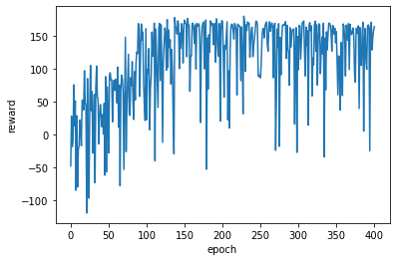
Trial | Fuel Consumption per Meter | Reward | Fuel Consumption per Meter | Reward | Fuel Consumption per Meter
1 | 61.54 |  | 49.11 |  | 116.56
2 | 55.14 |  | 45.37 |  | 113.24
3 | 55.68 |  | 47.52 |  | 117.56
4 | 58.95 |  | 50.13 |  | 116.40
5 | 57.88 |  | 47.97 |  | 121.19
6 | 57.56 |  | 45.21 |  | 113.41
7
8
9 |  |  |  |  |  | Training Plot for Acceleration Based
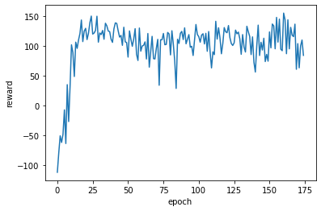
10
Average | 57.79 |  | 47.55 |  | 116.39

Example Data PHEMlight V2
Consumption/Distance (ml/s per meter) | 113.41011848 | 45.444736404 | 57.067100359
Distance (meters) | 6920.709 | 6543.8 | 6912.799
Fuel Consumption (ml/s) | 784878.42765 | 297381.26608 | 394493.3943
 | Example Data RL-accel | Example Data Baseline | Example Data RL-velocity
 | 2 | 2.6 | 2.6
 | 4.25 | 5.2 | 5.2
 | 6.5 | 7.8 | 7.8
 | 8.25 | 10.4 | 10.4
 | 10 | 13 | 13
 | 11.75 | 15.6 | 15.6
 | 13.5 | 18.2 | 16
 | 15.25 | 20 | 16
 | 17 | 20 | 16
 | 18.75 | 20 | 16
 | 20.5 | 20 | 16
 | 18.75 | 20 | 16
 | 20.5 | 20 | 16
 | 18.75 | 20 | 16
 | 20.5 | 20 | 16
 | 18.75 | 20 | 16
 | 20.5 | 20 | 16
 | 18.75 | 20 | 16
 | 20.5 | 20 | 16
 | 18.75 | 20 | 16
 | 20.5 | 20 | 16
 | 22.25 | 20 | 16
 | 20.5 | 20 | 16
 | 22.25 | 20 | 16
 | 20.5 | 20 | 16
 | 22.25 | 20 | 16
 | 20.5 | 20 | 16
 | 22.25 | 20 | 16
 | 19.5 | 20 | 16
 | 21.25 | 20 | 16
 | 19.5 | 20 | 16
 | 21.25 | 20 | 16
 | 19.5 | 20 | 16
 | 21.25 | 20 | 16
 | 19.5 | 20 | 16
 | 21.25 | 20 | 16
 | 19.5 | 20 | 16
 | 20 | 20 | 16
 | 18.25 | 20 | 16
 | 20 | 20 | 16
 | 18.25 | 20 | 16
 | 18.75 | 20 | 16
 | 19.25 | 20 | 16
 | 16.25 | 20 | 16
 | 16.75 | 20 | 16
 | 17.25 | 20 | 16
 | 14.25 | 20 | 16
 | 16 | 20 | 16
 | 13 | 20 | 16
 | 14.75 | 20 | 16
...
 | Example Data RL-accel | Example Data RL-velocity | Example Data Baseline
 | 2 | 2.6 | 2.6
 | 4.25 | 5.2 | 5.2
 | 6.5 | 7.8 | 7.8
 | 8.25 | 10.4 | 10.4
 | 10 | 13 | 13
 | 11.75 | 15.6 | 15.6
 | 13.5 | 16 | 18.2
 | 15.25 | 16 | 20
 | 17 | 16 | 20
 | 18.75 | 16 | 20
 | 20.5 | 16 | 20
 | 18.75 | 16 | 20
 | 20.5 | 16 | 20
 | 18.75 | 16 | 20
 | 20.5 | 16 | 20
 | 18.75 | 16 | 20
 | 20.5 | 16 | 20
 | 18.75 | 16 | 20
 | 20.5 | 16 | 20
 | 18.75 | 16 | 20
 | 20.5 | 16 | 20
 | 22.25 | 16 | 20
 | 20.5 | 16 | 20
 | 22.25 | 16 | 20
20% improvement for RL velocity compared to Baseline
 | 20.5 | 16 | 20
 | 22.25 | 16 | 20
 | 20.5 | 16 | 20
 | 22.25 | 16 | 20
 | 19.5 | 16 | 20
 | 21.25 | 16 | 20
 | 19.5 | 16 | 20
 | 21.25 | 16 | 20
 | 19.5 | 16 | 20
 | 21.25 | 16 | 20
 | 19.5 | 16 | 20
 | 21.25 | 16 | 20
 | 19.5 | 16 | 20
 | 20 | 16 | 20
 | 18.25 | 16 | 20
 | 20 | 16 | 20
 | 18.25 | 16 | 20
 | 18.75 | 16 | 20
 | 19.25 | 16 | 20
 | 16.25 | 16 | 20
 | 16.75 | 16 | 20
 | 17.25 | 16 | 20
 | 14.25 | 16 | 20
 | 16 | 16 | 20
 | 13 | 16 | 20
 | 14.75 | 16 | 20
 | 15.25 | 16 | 20
 | 17 | 16 | 20
 | 18.75 | 16 | 19.2198
 | 16 | 16 | 14.7198
 | 17.75 | 16 | 10.2198
 | 19.5 | 16 | 5.7198
 | 16.72475 | 16 | 1.2198
 | 12.22475 | 16 | 0
 | 7.72475 | 16 | 0
 | 9.97475 | 16 | 2.6
 | 11.72475 | 16 | 5.2
 | 13.47475 | 16 | 7.8
 | 15.22475 | 16 | 10.4
 | 16.97475 | 16 | 13
 | 15.22475 | 16 | 15.6
 | 16.97475 | 16 | 18.2
 | 15.22475 | 16 | 20
 | 16.97475 | 16 | 20
 | 18.72475 | 16 | 20
 | 16.97475 | 16 | 20
 | 18.72475 | 16 | 20
 | 16.97475 | 16 | 20
 | 18.72475 | 16 | 20
 | 16.97475 | 16 | 20
 | 18.72475 | 16 | 20
 | 16.97475 | 16 | 20
 | 18.72475 | 16 | 20
 | 16.97475 | 16 | 20
 | 18.72475 | 16 | 20
 | 16.97475 | 16 | 20
 | 18.72475 | 16 | 20
 | 16.97475 | 16 | 20
 | 18.72475 | 16 | 20
 | 16.97475 | 16 | 20
 | 18.72475 | 16 | 20
 | 20.47475 | 16 | 20
 | 18.72475 | 16 | 20
 | 20.47475 | 16 | 20
 | 18.72475 | 16 | 20
 | 20.47475 | 16 | 20
 | 17.47475 | 16 | 20
 | 17.97475 | 16 | 20
 | 18.47475 | 16 | 20
 | 18.97475 | 16 | 20
 | 19.47475 | 16 | 20
 | 19.97475 | 16 | 20
 | 18.22475 | 16 | 20
 | 18.72475 | 16 | 20
 | 19.22475 | 16 | 20
 | 19.72475 | 16 | 20
 | 17.97475 | 16 | 20
 | 18.47475 | 16 | 20
 | 18.97475 | 16 | 20
 | 19.47475 | 16 | 20
 | 19.97475 | 16 | 20
 | 20.47475 | 16 | 20
 | 20.97475 | 16 | 20
 | 21.47475 | 16 | 20
 | 21.97475 | 16 | 20
 | 22.47475 | 16 | 20
 | 19.47475 | 16 | 20
 | 19.97475 | 16 | 20
 | 20.47475 | 16 | 20
 | 20.97475 | 16 | 20
 | 21.47475 | 16 | 20
 | 23.72475 | 16 | 20
 | 21.72475 | 16 | 20
 | 23.97475 | 16 | 20
 | 22.47475 | 16 | 20
 | 24.72475 | 16 | 20
 | 26.72475 | 16 | 20
 | 24.97475 | 16 | 20
 | 23.22475 | 16 | 20
 | 21.47475 | 16 | 20
 | 19.72475 | 16 | 20
 | 17.97475 | 16 | 20
 | 16.22475 | 16 | 20
 | 17.97475 | 16 | 20
 | 16.22475 | 16 | 20
 | 17.97475 | 16 | 20
 | 16.22475 | 16 | 20
 | 17.97475 | 16 | 20
 | 16.22475 | 16 | 20
 | 17.97475 | 16 | 20
 | 16.22475 | 16 | 20
 | 17.97475 | 16 | 20
 | 16.22475 | 16 | 20
 | 17.97475 | 16 | 20
 | 16.22475 | 16 | 20
 | 17.97475 | 16 | 20
 | 19.72475 | 16 | 20
 | 17.97475 | 16 | 20
 | 19.72475 | 16 | 20
 | 17.97475 | 16 | 20
 | 19.72475 | 16 | 20
 | 17.97475 | 16 | 20
 | 19.72475 | 16 | 20
 | 17.97475 | 16 | 20
 | 19.72475 | 16 | 20
 | 21.47475 | 16 | 20
 | 18.47475 | 16 | 20
 | 15.47475 | 16 | 20
 | 15.97475 | 16 | 20
 | 16.47475 | 16 | 20
 | 16.97475 | 16 | 20
 | 17.47475 | 16 | 20
 | 14.47475 | 16 | 20
 | 14.97475 | 16 | 20
 | 15.47475 | 16 | 20
 | 15.97475 | 16 | 20
 | 16.47475 | 16 | 20
 | 16.97475 | 16 | 20
 | 13.97475 | 16 | 20
 | 14.47475 | 16 | 20
 | 14.97475 | 16 | 20
 | 15.47475 | 16 | 20
 | 12.47475 | 16 | 20
 | 14.22475 | 16 | 20
 | 14.72475 | 16 | 16.1
 | 11.72475 | 16 | 11.6
 | 13.47475 | 16 | 7.1
 | 15.22475 | 16 | 2.6
 | 16.97475 | 16 | 0
 | 18.72475 | 16 | 0
 | 20.47475 | 16 | 0
 | 17.97475 | 16 | 0
 | 15.09475 | 16 | 0
 | 10.59475 | 16 | 0
 | 6.09475 | 16 | 0
 | 8.34475 | 16 | 2.6
 | 10.09475 | 16 | 5.2
 | 11.84475 | 16 | 7.8
 | 13.59475 | 16 | 10.4
 | 15.34475 | 16 | 13
 | 17.09475 | 16 | 15.6
 | 17.59475 | 16 | 18.2
 | 18.09475 | 16 | 20
 | 18.59475 | 16 | 20
 | 19.09475 | 16 | 20
 | 19.59475 | 16 | 20
 | 20.09475 | 16 | 20
 | 20.59475 | 16 | 20
 | 21.09475 | 16 | 20
 | 19.34475 | 16 | 20
 | 21.09475 | 16 | 20
 | 19.34475 | 16 | 20
 | 21.09475 | 16 | 20
 | 19.34475 | 16 | 20
 | 21.09475 | 16 | 20
 | 22.84475 | 16 | 20
 | 20.09475 | 16 | 20
 | 21.84475 | 16 | 20
 | 19.09475 | 18.6 | 20
 | 20.84475 | 19 | 20
 | 18.09475 | 19 | 20
 | 19.84475 | 19 | 20
 | 21.59475 | 19 | 20
 | 22.59475 | 19 | 20
 | 22.34475 | 19 | 20
 | 23.09475 | 19 | 20
 | 24.59475 | 19 | 20
 | 21.59475 | 19 | 20
 | 18.59475 | 19 | 20
 | 20.09475 | 19 | 20
 | 17.09475 | 19 | 20
 | 17.59475 | 19 | 20
 | 16.34475 | 19 | 20
 | 17.84475 | 19 | 20
 | 16.59475 | 19 | 20
 | 18.09475 | 19 | 20
 | 16.09475 | 19 | 20
 | 14.09475 | 19 | 20
 | 12.09475 | 19 | 16.575
 | 10.09475 | 19 | 12.075
 | 6.3405 | 19 | 7.575
 | 1.8405 | 19 | 3.075
 | 0 | 19 | 0
 | 0 | 19 | 0
 | 0 | 19 | 0
 | 0 | 19 | 0
 | 0 | 19 | 0
 | 0 | 19 | 0
 | 0 | 19 | 0
 | 0 | 19 | 0
 | 0 | 19 | 0
 | 0 | 19 | 0
 | 0 | 19 | 0
 | 0 | 19 | 0
 | 0 | 19 | 0
 | 2 | 19 | 2.6
 | 4.25 | 19 | 5.2
 | 6.5 | 19 | 7.8
 | 8.75 | 19 | 10.4
 | 10.5 | 19 | 13
 | 12.25 | 19 | 15.6
 | 14 | 16 | 18.2
 | 15.75 | 16 | 20
 | 17.5 | 16 | 20
 | 15.75 | 16 | 20
 | 17.5 | 16 | 20
 | 15.75 | 16 | 20
 | 17.5 | 16 | 20
 | 19.25 | 16 | 20
 | 17.5 | 16 | 20
 | 19.25 | 16 | 20
 | 17.5 | 16 | 20
 | 19.25 | 16 | 20
 | 17.5 | 16 | 20
 | 19.25 | 16 | 20
 | 17.5 | 16 | 20
 | 19.25 | 16 | 20
 | 17.5 | 16 | 20
 | 19.25 | 16 | 20
 | 17.5 | 16 | 20
 | 19.25 | 16 | 20
 | 17.5 | 16 | 20
 | 19.25 | 16 | 20
 | 17.5 | 16 | 20
 | 19.25 | 16 | 20
 | 21 | 16 | 20
 | 18 | 16 | 20
 | 19.75 | 16 | 20
 | 18 | 16 | 20
 | 19.75 | 16 | 20
 | 18 | 16 | 20
 | 19.75 | 16 | 20
 | 18 | 16 | 20
 | 18.5 | 16 | 20
 | 19 | 16 | 20
 | 19.5 | 16 | 20
 | 20 | 16 | 20
 | 17 | 16 | 20
 | 17.5 | 16 | 20
 | 18 | 16 | 20
 | 18.5 | 16 | 20
 | 19 | 16 | 20
 | 18.75 | 16 | 20
 | 18.5 | 16 | 20
 | 20.5 | 16 | 19.66
 | 22.75 | 16 | 15.16
 | 25 | 16 | 10.66
 | 22.933333333 | 16 | 6.16
 | 18.433333333 | 16 | 1.66
 | 13.933333333 | 16 | 0
 | 9.4333333333 | 16 | 0
 | 4.9333333333 | 16 | 0
 | 0.43333333333 | 16 | 0
 | 0 | 16 | 0
 | 0 | 16 | 0
 | 2.25 | 16 | 2.6
 | 4.5 | 16 | 5.2
 | 6.75 | 16 | 7.8
 | 8.5 | 16 | 10.4
 | 10.25 | 16 | 13
 | 12 | 16 | 15.6
 | 13.75 | 16 | 18.2
 | 15.5 | 16 | 20
 | 17.25 | 16 | 20
 | 15.5 | 16 | 20
 | 17.25 | 16 | 20
 | 15.5 | 16 | 20
 | 17.25 | 16 | 20
 | 19 | 16 | 20
 | 17.25 | 16 | 20
 | 19 | 16 | 20
 | 17.25 | 16 | 20
 | 19 | 16 | 20
 | 17.25 | 16 | 20
 | 19 | 16 | 20
 | 17.25 | 16 | 20
 | 19 | 16 | 20
 | 17.25 | 16 | 20
 | 19 | 16 | 20
 | 17.25 | 16 | 20
 | 19 | 16 | 20
 | 20.75 | 16 | 20
 | 19 | 16 | 20
 | 20.75 | 16 | 20
 | 19 | 16 | 20
 | 20.75 | 16 | 20
 | 19 | 16 | 20
 | 17.25 | 16 | 20
 | 17.75 | 16 | 20
 | 18.25 | 16 | 20
 | 18.75 | 16 | 20
 | 19.25 | 16 | 20
 | 17.5 | 16 | 20
 | 19.25 | 16 | 20
 | 19.75 | 16 | 20
 | 18 | 16 | 20
 | 19.75 | 16 | 20
 | 18 | 16 | 20
 | 19.75 | 16 | 20
 | 18 | 16 | 20
 | 19.75 | 16 | 20
 | 18 | 16 | 20
 | 19.75 | 16 | 20
 | 21.5 | 16 | 20
 | 19.75 | 16 | 20
 | 21.5 | 16 | 20
 | 19.75 | 16 | 20
 | 21.5 | 16 | 20
 | 23.25 | 16 | 20
 | 21.5 | 16 | 20
 | 23.25 | 16 | 20
 | 24 | 16 | 20
 | 24.75 | 16 | 20
 | 26.5 | 16 | 20
 | 24.75 | 16 | 20
 | 26.5 | 16 | 20
 | 23.5 | 16 | 20
 | 25.75 | 16 | 20
 | 25.5 | 16 | 20
 | 25.25 | 16 | 20
 | 23.5 | 16 | 20
 | 21.75 | 16 | 20
 | 20 | 16 | 20
 | 20.5 | 16 | 20
 | 18.75 | 16 | 20
 | 19.25 | 16 | 20
 | 19.75 | 16 | 20
 | 20.25 | 16 | 20
 | 20.75 | 16 | 20
 | 19 | 16 | 20
 | 20.75 | 16 | 20
 | 19 | 16 | 20
 | 20.75 | 16 | 20
 | 19 | 16 | 20
 | 20.75 | 16 | 20
 | 22.5 | 16 | 20
 | 20.75 | 16 | 20
 | 22.5 | 18.6 | 20
 | 19.5 | 19 | 20
 | 21.25 | 19 | 20
 | 18.5 | 19 | 20
 | 20.25 | 19 | 20
 | 22 | 19 | 20
 | 22.75 | 19 | 20
 | 23.5 | 19 | 20
 | 24.25 | 19 | 20
 | 24.75 | 19 | 20
 | 25.25 | 19 | 20
 | 25.75 | 19 | 20
 | 24.5 | 19 | 20
 | 23.25 | 19 | 20
 | 22 | 19 | 20
 | 19.79 | 19 | 20
 | 15.29 | 19 | 20
 | 10.79 | 19 | 16.1
 | 6.29 | 19 | 11.6

Table for PHEMlight V3
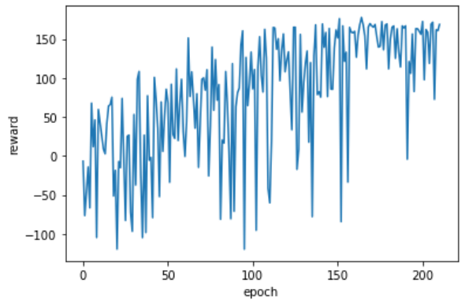
 |  |  | model-velocity-based_1500steps.h5
 | Base |  | RL Agent Velocity-Based |  | RL Agent Acceleration-Based | Training for RL Velocity-Based
 | This vehicle attempts to drive 10 m/s at all times |  | This vehicle uses an RL model to find the best speed to satisfy the reward function which keeps the vehicle as close to 10 m/s as possible for the entire drive. Calculated at every intersection. |  | RL Model to find best acceleration to keep vehicle as close to 10 m/s as possible for the entire drive. Calculated every time step.
Trial | Fuel Consumption per Meter | Reward | Fuel Consumption per Meter | Reward | Fuel Consumption per Meter
1 | 61.54 |  | 44.58 |  | 116.56
2 | 55.14 |  | 46.83 |  | 113.24
3 | 55.68 |  | 46.21 |  | 117.56
4 | 58.95 |  | 44.58 |  | 116.40
5 | 57.88 |  | 46.53 |  | 121.19
6 | 57.56 |  | 44.79 |  | 113.41
7
8
9 |  |  |  |  |  | Training Plot for Acceleration Based
10
Average | 57.79 |  | 45.58 |  | 116.39

new stuff
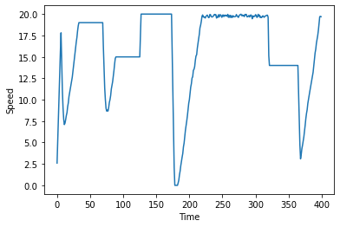
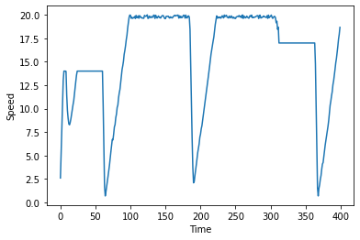
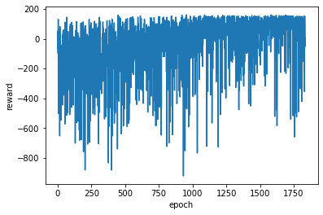
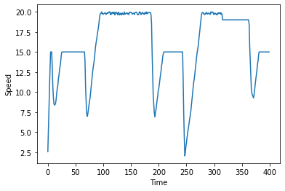
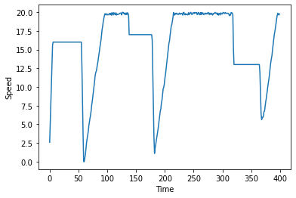
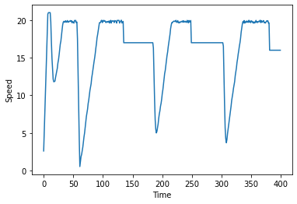
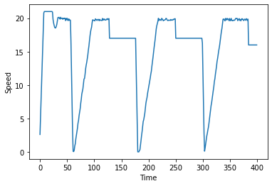
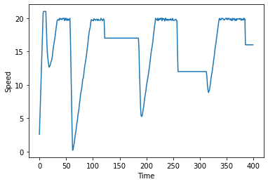
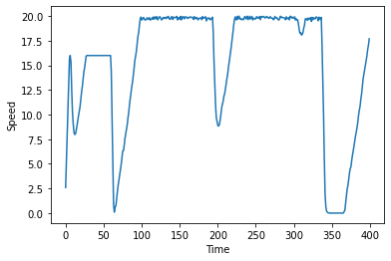
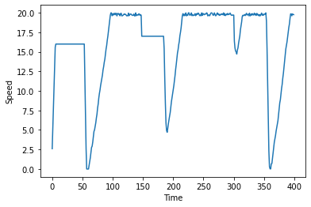
These plots are from an agent that was in traffic. It's only knowledge of the traffic is how many cars are in its lane (no speed knowledge or distances)
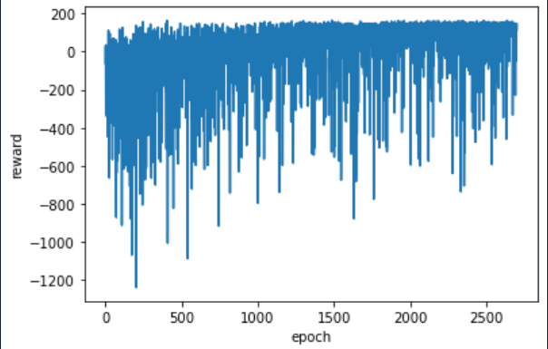
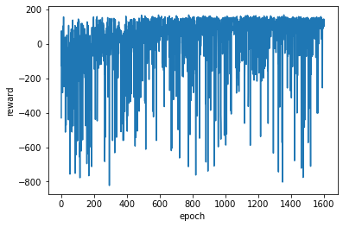
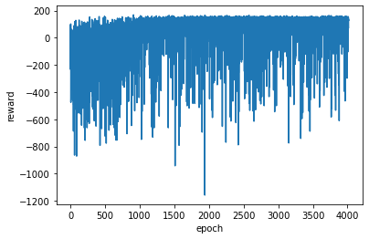
 |  |  |  | model-velocity_based_30000.h5

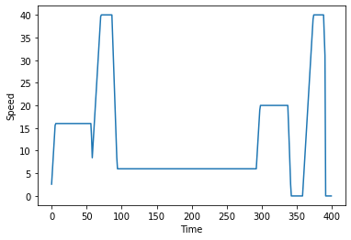
 |  |  | this was with only 1600 episodes and it was difficult to see the learning

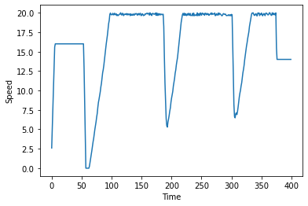
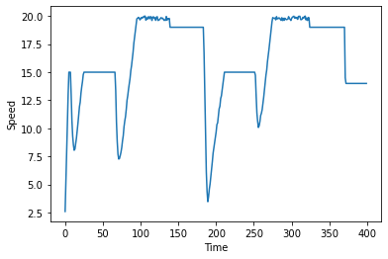
Takes a lot more episodes, but slowly learning with traffic
 |  |  |  |  | 2nd training for 30000 on lab 3040
Below is same plot with only positive reward values plotted | Couple Fuel Econ Stats |  |  | 57.510848939 | 58.88
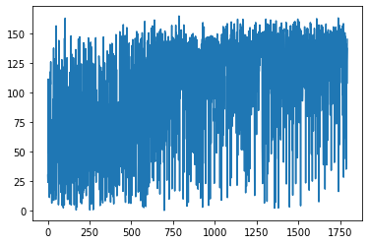
 | all in mL over 400s |  |  | 53.321522987 | 56.88
 | 56.214728915 |  |  | 69.810628879 | 56.83
 | 50.855851322 | plot on right |  | 82.913693646 | 59.22
 | 55.696652816 |  |  | 55.268045832 | 53.16
 | 56.500208049 | plot on right |  | 55.47470601 | 58.83
 | 55.473038251 |  |  | 55.032721661
 | 52.853714812 | plot on right |  | 56.306273234
 | 55.039542822 |  |  | 55.906917208
 | 53.08781155 |  |  | 55.804629374
 | 54.381807708 |  |  | 55.442090438
 | Average |  |  |  | NOT BETTER THAN BASELINE
 | 54.455928472 | around 5% improvement |  | 59.344734383

IT OVERFIT
2023-01-27

 | Previous tabs show the agent learning. However, it was overfitting to the scenarios I gave it.
 | I had screwed up the light phase observation, so it was only receiving information for the 9th traffic light
 | However, it still learned which speeds statistically were best to drive based on the distance between intersections
 | Therefore, it didn't matter the next state of the light, because it new if it saw distance "x", it would make it through the light "p%" of the time if it drove a specific speed

 | Here a training plot when I removed the phase observation altogether and it is very similar to the plots in previous tabs |  | Here is a plot from one of the previous trainings… the phase observation was trash

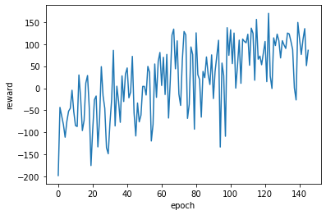
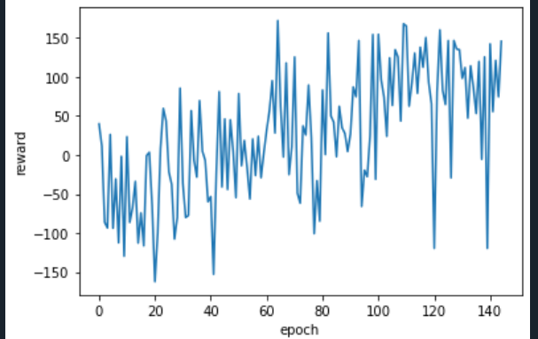

 | With the correct phase observation included, it doesn't appear much has changed

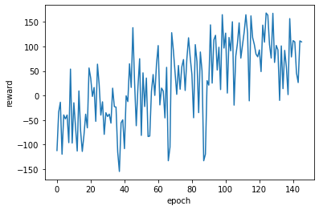

 |  | Added Variable light times, and trained without light times as an obs. It learns to command 20m/s always (correct decision given the environment and given obs). |  | The obs are the velocity, the gap until the next interesection, the time until the next phase change, and the next phase. It doesn't need to know how long the other phase (red if green light and vice versa) because I contrained all light cycles to be exactly 60 seconds)... UPDATE: it does need to know the length of at least one phase which I didn't give it. I was only giving it time until light changed here which isn't enough info. It was learning to exploit the average distances and light times instead of using phase info)

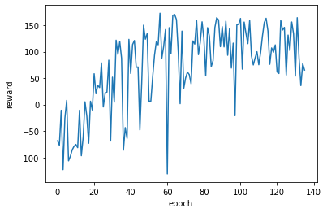

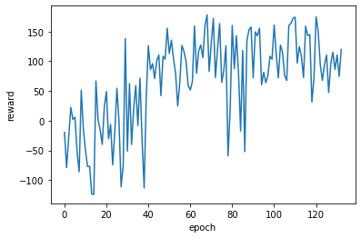

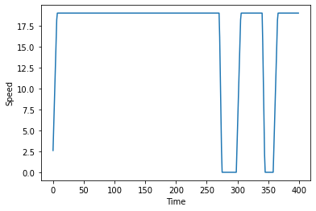
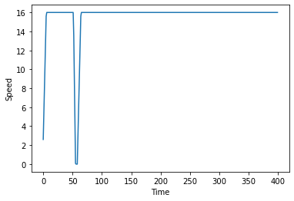

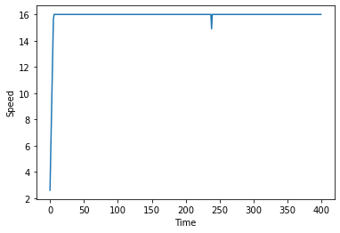

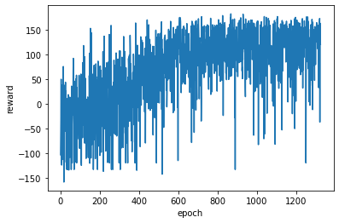

 |  |  |  |  | average of 53
 |  |  |  |  | baseline of 56

Piecewise-Fcn
Rewarding 1 for driving 15 and 25
Penalize outside of this band (-2 reward)
Penalize -1 for going under 1
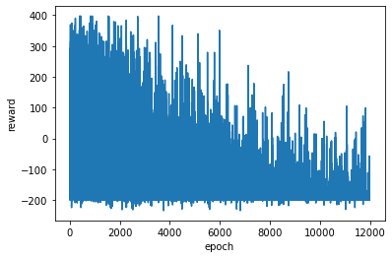
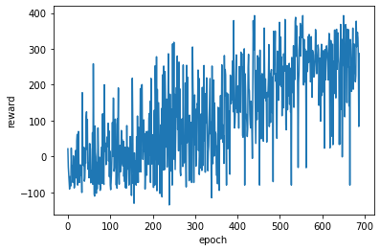

Average fuel consumption: 52.14613670441933 |  | why did it fail
Baseline around 56

Conclusion: | This may work but I never gave the car info on the original light phases

Env Issues
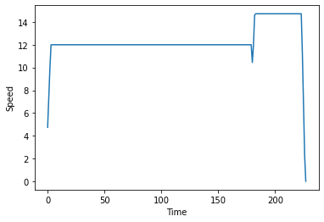
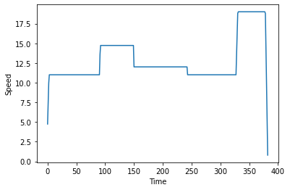
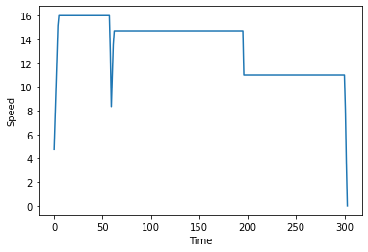
Retraining because of issues with the environment

One of the light states was not working

Every reset, the observation would be [0,0,0,0] which may have been messing with training as it took place every episode and gave the model no valuable action-reward knowledge
This was fixed by adding an extra vehicle movement at every reset()

The car would terminate at a time (400 seconds). It was probably counting the terminating state as a 0 value state and therefore tried to avoid it in the future
To remedy, now the vehicle is automatically sent back to the beginning without terminating the episode if it reaches the 8th light

Episode vs reward plot |  |  | Moving average of plot on left |  | Sample runs after training
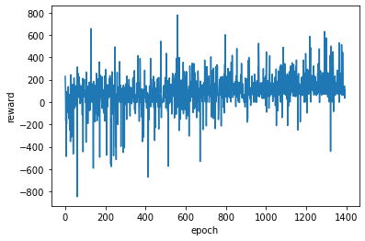
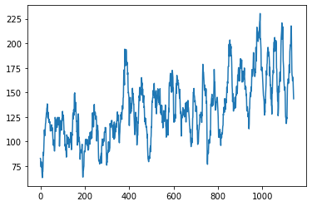
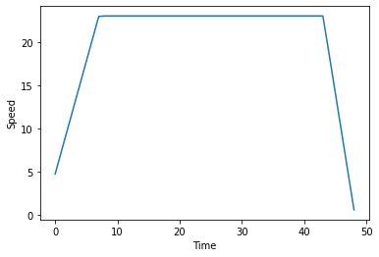

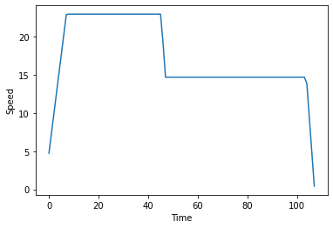
Reward function |  | 1 between 10 and 30
 |  | minus .5 outside of this band
 |  | minus 1 for stopping

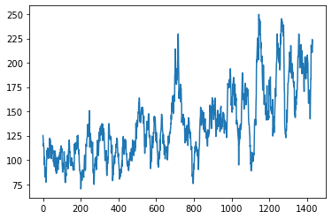

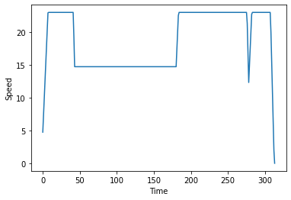

 |  |  | These results could just be due to the decreasing epsilon value
 |  |  | average around 54 mL/meter which is better than baseline
 |  |  | baseline around 57 mL/meter
 |  |  | improvement | -5%

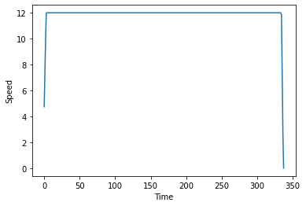

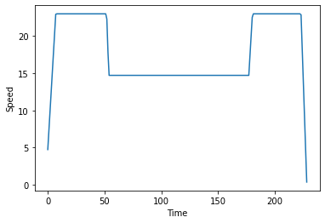

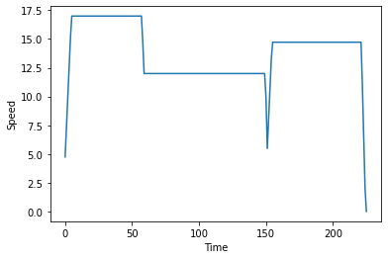



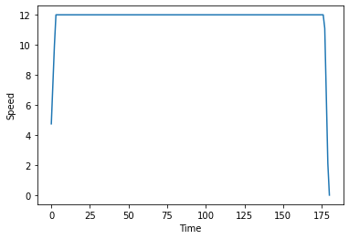

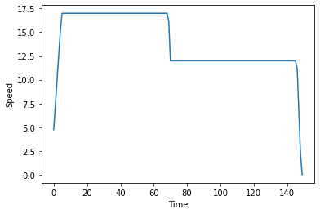




 | trained and looking good but actually performed same as baseline (57 mL/m)






 | 53.5 mL/m

